Sheet1
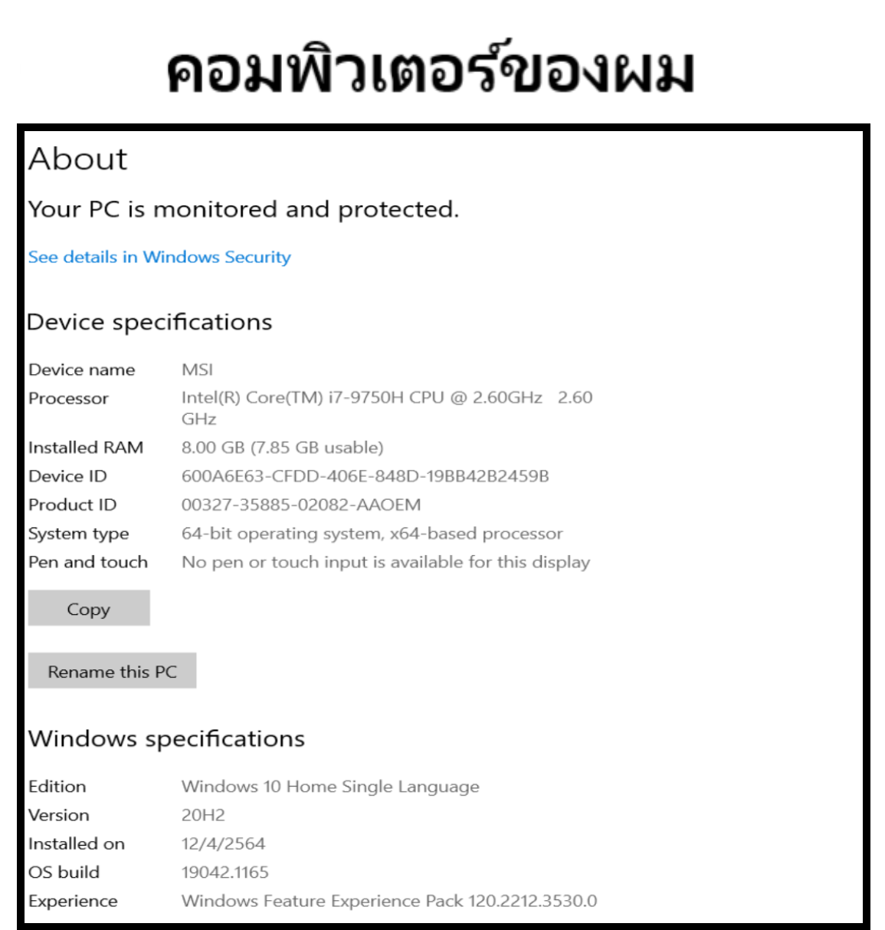

Running - Time Table ( เวลาโดยเฉลี่ย )
n | pi(n) | Time ( milliseconds )
 |  | isPrime0 | isPrime1 | isPrime2
100,000 | 9,592 | 551 | 10 | 5
200,000 | 17,984 | 1968 | 29 | 12
300,000 | 25,997 | 4403 | 34 | 12
400,000 | 33,860 | 7623 | 50 | 19
500,000 | 41,538 | 12,731 | 69 | 22
600,000 | 49,098 | 16,718 | 95 | 26
700,000 | 56,543 | 22,048 | 110 | 33
800,000 | 63,951 | 29,848 | 133 | 44
900,000 | 71,274 | 34,627 | 163 | 52
1,000,000 | 78,498 | 42,733 | 181 | 55

n vs. isPrime0
n | isPrime0

100,000 | 551
200,000 | 1968
300,000 | 4403
400,000 | 7623
500,000 | 12,731
600,000 | 16,718
700,000 | 22,048
800,000 | 29,848
900,000 | 34,627
1,000,000 | 42,733

n vs. isPrime1 and isPrime2
n | isPrime1 | isPrime2

100,000 | 10 | 5
200,000 | 29 | 12
300,000 | 34 | 12
400,000 | 50 | 19
500,000 | 69 | 22
600,000 | 95 | 26
700,000 | 110 | 33
800,000 | 133 | 44
900,000 | 163 | 52
1,000,000 | 181 | 55

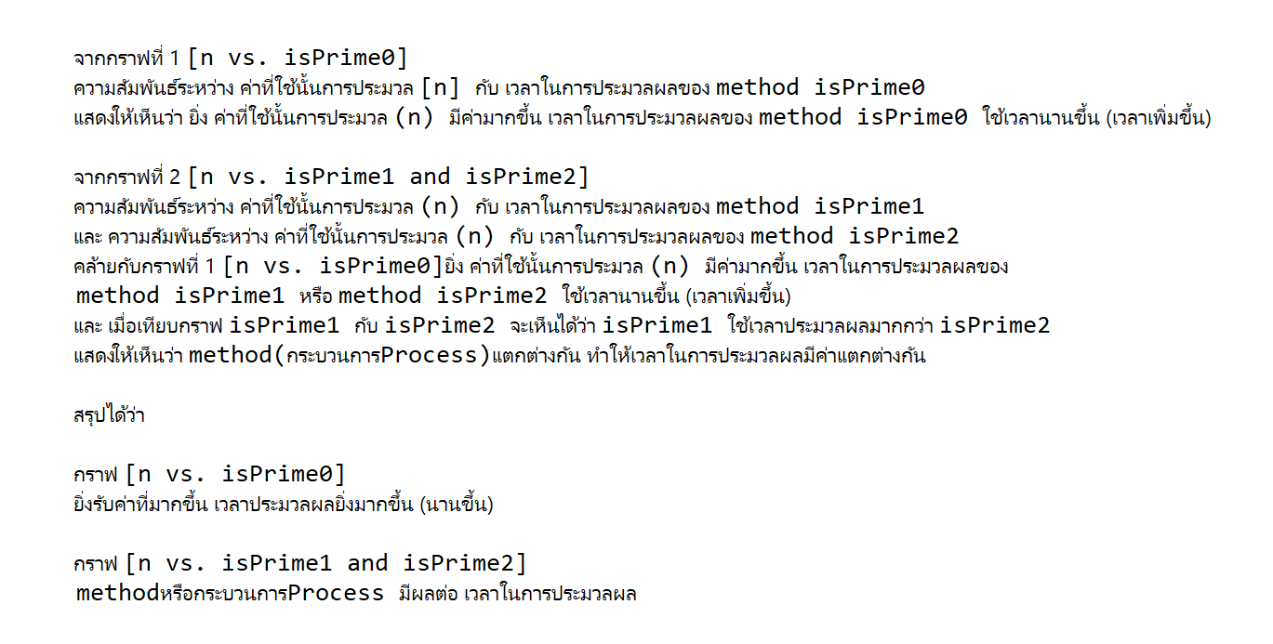
Your final task : In your own words, describe trend of isPrime1, isPrime2, and isPrime3.
Are your recorded times faster or slower than the recorded time shown in the lecture? Why?

